row-pooled test
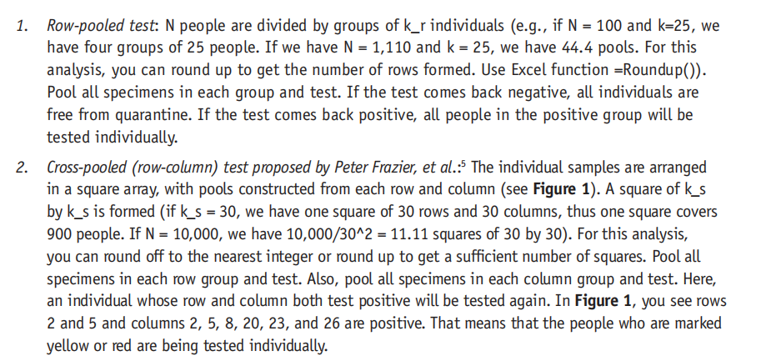
Task 1 |  | k_r | row pooled test times
 |  |  | 1956.1792499
 |  | 5 | 2490.099501
 |  | 10 | 1956.1792499
 |  | 15 | 2067.1161618
 |  | 20 | 2320.930624
 |  | 25 | 2621.786406
 |  | 30 | 2942.2022586
 |  | 35 | 3254.4885731
 |  | 40 | 3560.2824143
 |  | 45 | 3873.8786473
 |  | 50 | 4149.9393286
 |  | 55 | 4432.6989527
 |  | 60 | 4704.4904432
Task 1 |  | 65 | 4955.3913683
Constant |  | 70 | 5199.6650174
Population(N) | 10000 | 75 | 5454.6042521
Accurancy | 100% | 80 | 5649.7678624
prevalence | 1% | 85 | 5879.3310624
 |  | 90 | 6112.3017154
 |  | 95 | 6300.0964855
 |  | 100 | 6439.6765873
row-pooled |  | 105 | 6667.2214059
 |  | 110 | 6787.3587859
input |  | 115 | 6942.3342223
k_r | 10 | 120 | 7146.2456556
 |  | 125 | 7232.9222673
 |  | 130 | 7376.7498623
 |  | 135 | 7592.9683565
 |  | 140 | 7683.7577857
Calculation |  | 145 | 7744.1910482
Not Consider Non-Completed Group |  | 150 | 7891.4095382
# of group | 1000
# of 1st test | 1000
prevanlence | 1%
P(X>=1)(X: # of positive person in a certain group) X~B(k_r, prevanlence) | 0.095617924991
E(Y) (Y: # of group which are tested positive) Y~B(N/k_r, P(X>=1)) | 95.617924991
# of 2nd test | 956.17924991
# of total test | 1956.1792499

datatable for PPT
The comparation Chart between row_polled test & cross_pooled test
 | Task one |  |  | k_r/k_s | row pooled test times | cross pool test times
 |  |  |  | 0 | 0 | 0
 | Constant |  |  | 5 | 2490.099501 | 4024.0197521
 | Population(N) | 10000 |  | 10 | 1956.1792499 | 2091.4278758
 | Accurancy | 100% |  | 15 | 2067.1161618 | 1513.8782746
 | prevalence | 1% |  | 20 | 2320.930624 | 1331.5788338
 |  |  |  | 25 | 2621.786406 | 1293.6334834
 |  |  |  | 30 | 2942.2022586 | 1330.7833666
 |  |  |  | 35 | 3254.4885731 | 1421.8440421
 | Row-pooled Test | Number | Ilustration | 40 | 3560.2824143 | 1531.9650876
 | # of people in a row (k_r) | 10 |  | 45 | 3873.8786473 | 1432.1241045
 | # of group | 1000 |  | 50 | 4149.9393286 | 1960.20207
 | # of 1st test | 1000 | = # of groups | 55 | 4432.6989527 | 1966.4365644
 | prevanlence | 1% |  | 60 | 4704.4904432 | 1716.483167
 | P(X>=1)(X: # of positive person in a certain group) X~B(k_r, prevanlence) | 0.095617924991 | = 1-P(X=0) | 65 | 4955.3913683 | 2204.1186601
 | E(Y) (Y: # of group which are tested positive) Y~B(N/k_r, P(X>=1)) | 95.617924991 | =# of groups * p(X>=1) | 70 | 5199.6650174 | 2780.8422024
 | # of 2nd test | 956.17924991 | = k_r * E(Y) | 75 | 5454.6042521 | 1726.5665854
 | # of total test | 1956.1792499 | = # of 1st test + # of 2nd test | 80 | 5649.7678624 | 2113.4758357
 |  |  |  | 85 | 5879.3310624 | 2553.8649534
 |  |  |  | 90 | 6112.3017154 | 3050.1865972
 |  |  |  | 95 | 6300.0964855 | 3604.6343247
Constant |  |  |  | 100 | 6439.6765873 | 4219.1499231
Population(N) | 10000 |  |  | 105 | 6667.2214059 | 0
Accurancy | 100% |  |  | 110 | 6787.3587859 | 0
prevalence | 1% |  |  | 115 | 6942.3342223 | 0
 |  |  |  | 120 | 7146.2456556 | 0
 |  |  |  | 125 | 7232.9222673 | 0
 |  |  |  | 130 | 7376.7498623 | 0
 |  |  |  | 135 | 7592.9683565 | 0
 | Cross-Pooled Test | Number | Ilustration | 140 | 7683.7577857 | 0
 | # of order of a square(k_s) | 10 |  | 145 | 7744.1910482 | 0
 | # of squares | 100 | = 10000/(10^2) | 150 | 7891.4095382 | 0
 | # of 1st test | 2000 | = # of squares * k_s*2
 | prevanlence | 1%
 | P(X1>=1)(X1: # of positive person in a certain row) X1~B(k_s, prevanlence) | 0.095617924991 | = 1-P(X1=0) |  |  |  | Scenario Summary
 | P(X2>=1)(X2: # of positive person in a certain column) X2~B(k_s, prevanlence) | 0.095617924991 | = 1-P(X2=0) |  |  |  |  |  | Current Values: | default | 2% | 5% | 10%
 | E(Y1) (Y1: # of column which are tested positive) Y~B(k_r, P(X1>=1)) | 0.95617924991 | = # of order of a square *P(X1>=1) |  |  |  |  |  |  | Created by 翟奚玄 on 9/8/2024 | Created by 翟奚玄 on 9/8/2024 | Created by 翟奚玄 on 9/8/2024 | Created by 翟奚玄 on 9/8/2024
 | E(Y2) (Y2: # of row which are tested positive) Y~B(k_r, P(X2>=1)) | 0.95617924991 | = # of order of a square *P(X2>=1) |  |  |  | Changing Cells:
 | E(Z)=E(Y1*Y2)=E(Y1)E(Y2) (Z: # of person that need to test again) Y1, Y2 are independent | 0.91427875796 |  |  |  |  |  | prevalence | 1% | 1% | 2% | 5% | 10%
 | # of 2nd test | 91.427875796 | = # of squares * E(Z) |  |  |  | Result Cells:
 | # of total test | 2091.4278758 | = # of 1st test + # of 2nd test |  |  |  |  | Total times of row_pooled test | 1956.1792499 | 1956.1792499 | 2829.2719311 | 5012.6306076 | 7513.215599
 |  |  |  |  |  |  |  | Total times of cross_pooled test | 1293.6334834 | 1293.6334834 | 2372.4022053 | 6021.6582903 | 9415.7417767

